Sheet1
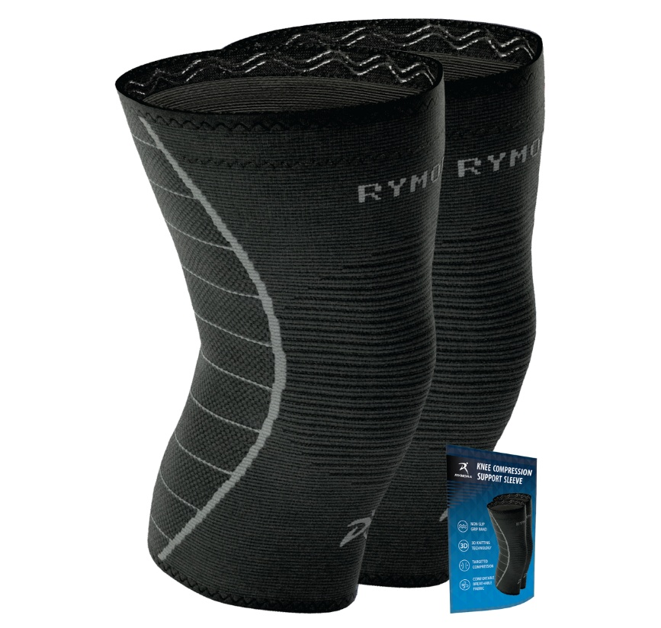
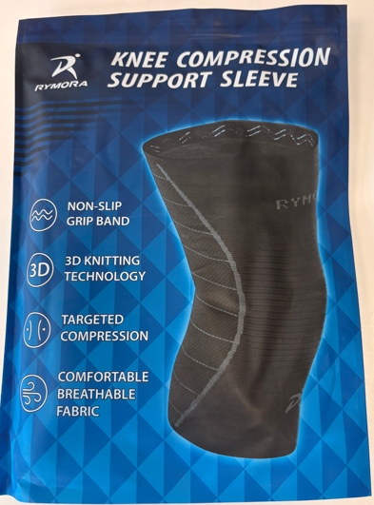
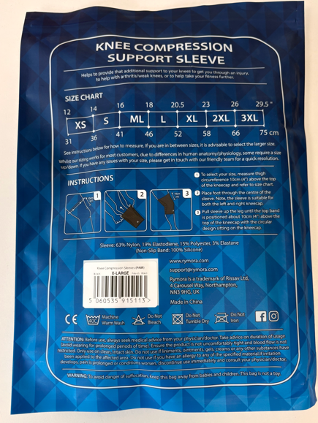

https://rymora.com/products/rymora-knee-sleeves?variant=50898388549970

BLACK 2 PACK KNEE COMPRESSION SUPPORT SLEEVE | L | XL | RRP | £14.95
 | 360 | 1534

BLACK 1 PACK KNEE COMPRESSION SUPPORT SLEEVE |  | XL | RRP | £9.95
 |  | 214
 | TOTAL | 2108

